Design
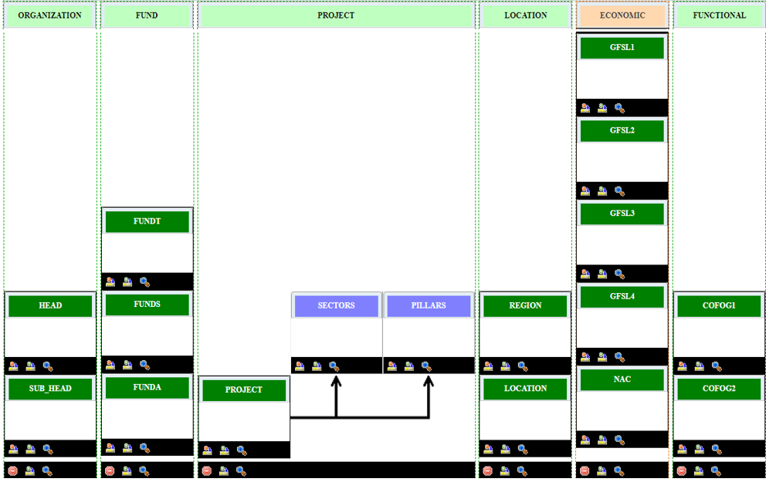
Q

*Economic Segement has default segments that are not included in this diagram. Those will be maintained by the system.

